EVD_FIN 01-02
Test Case ID | FIN01-02
Test Case Summary | Lakukan proses Receive request dan confirm

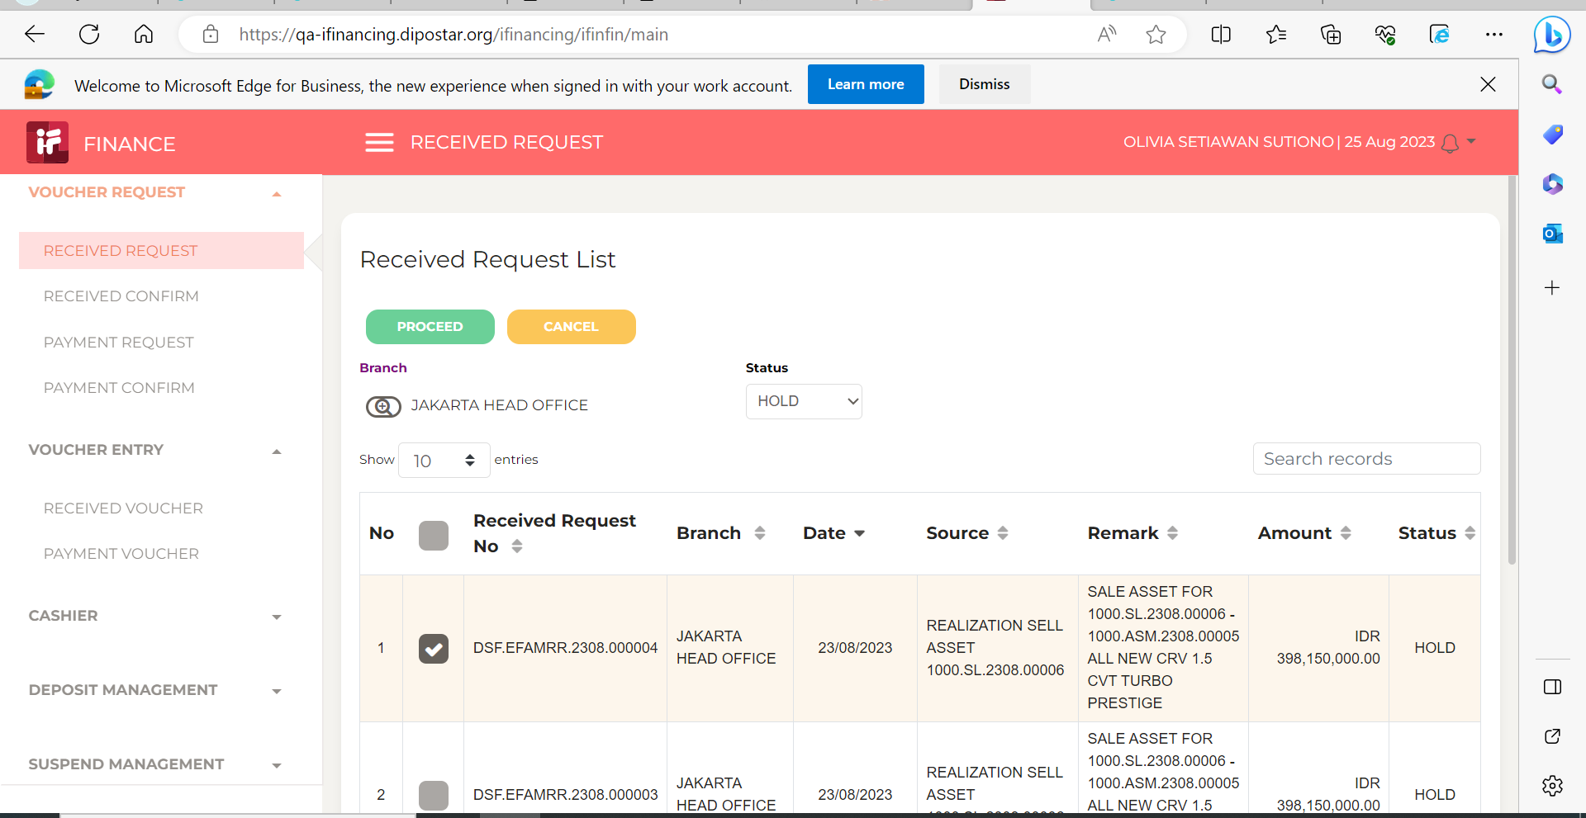
Step # | Test Evidence |  | Re-Test Evidence (if found Bug/Issue)
1

2 |  | 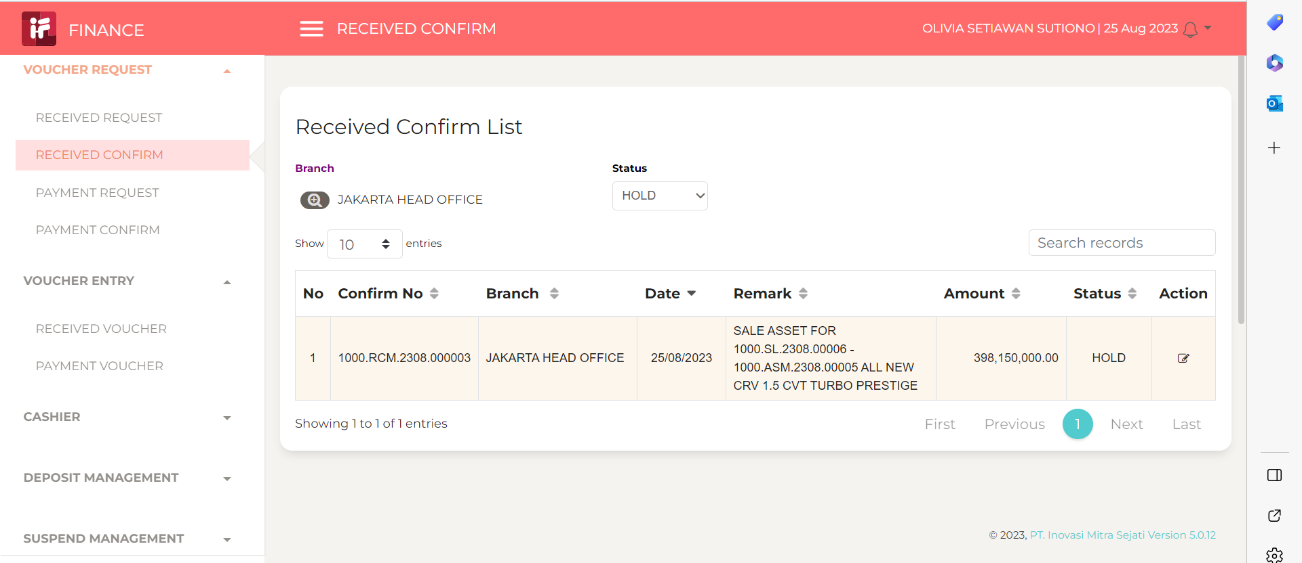

3
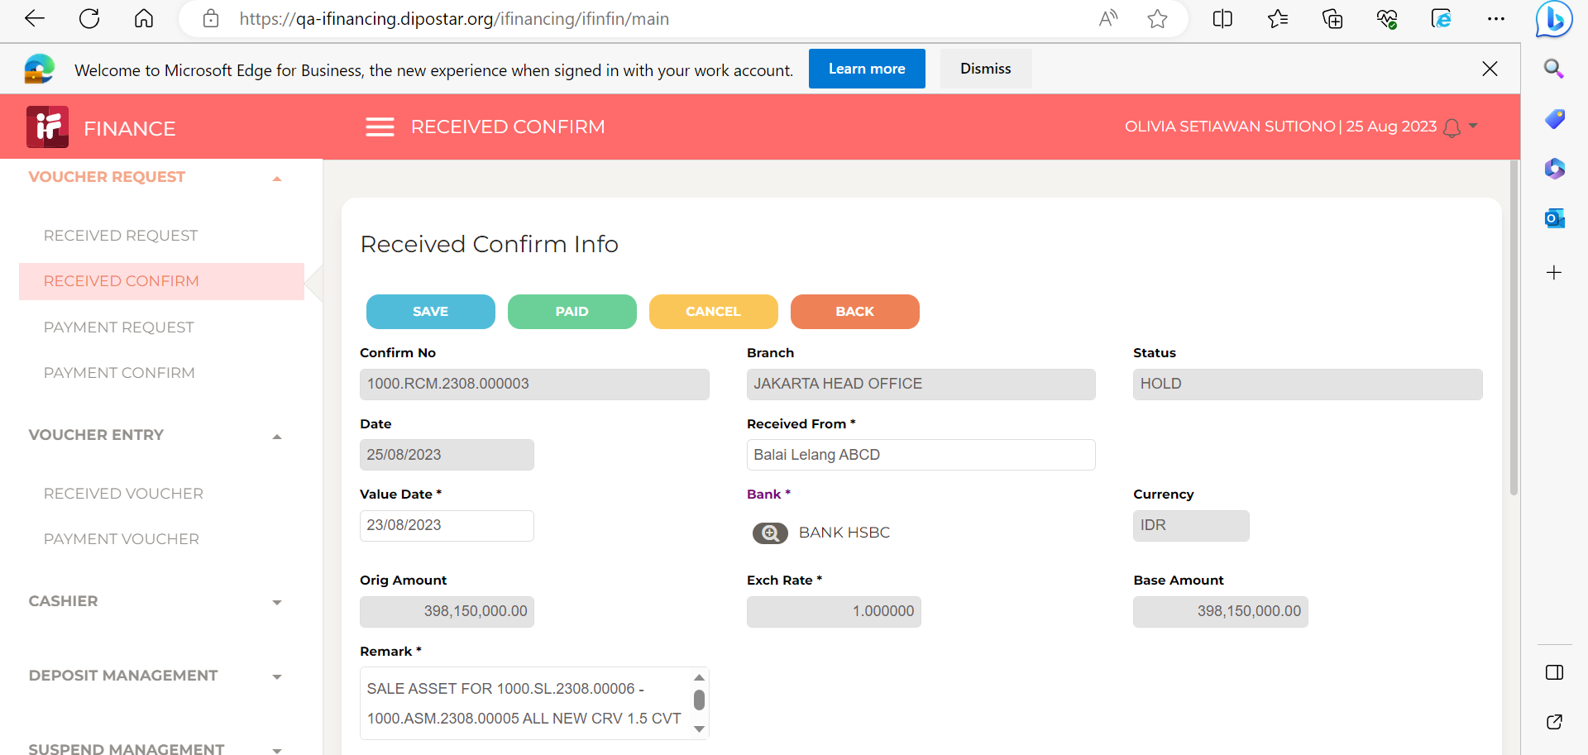

4

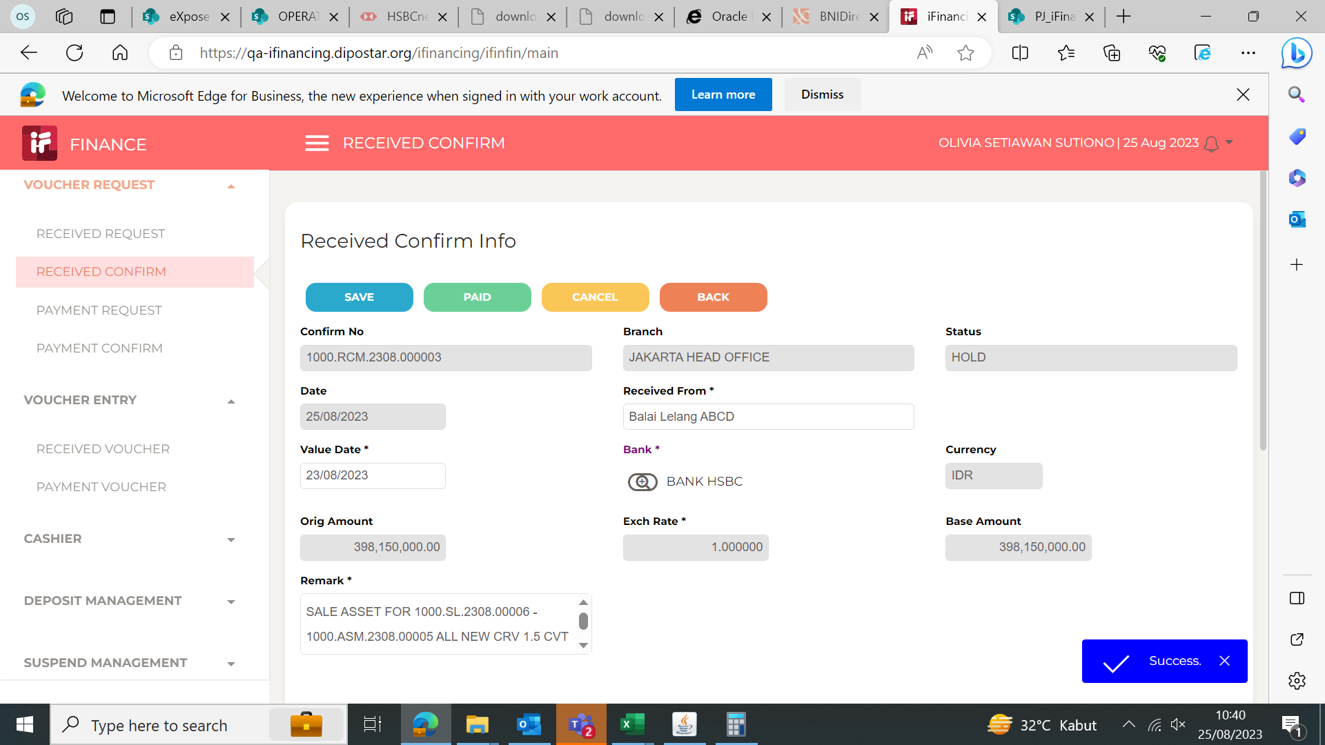

5

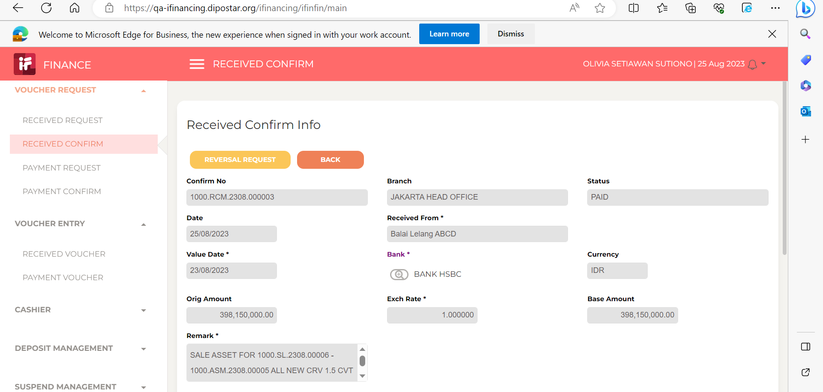

6

7

8

9

10

11

13

14

15

16

17

18

19

20

21

22

36

37

38

39

41

43

44

45

46

